table 98
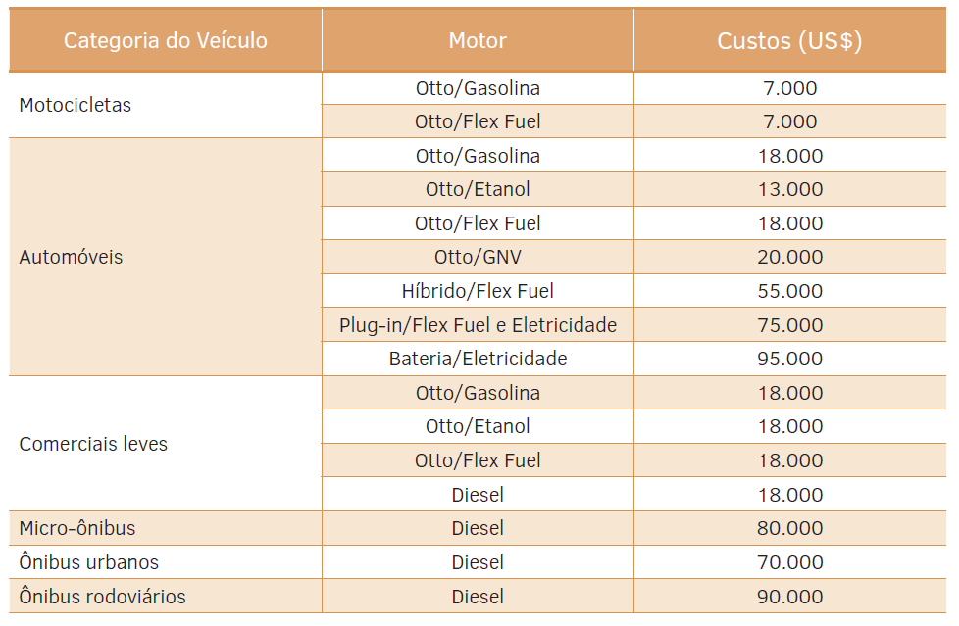
page 257 | translation
Table 98 - Average Costs of Road Passenger Transport Vehicles | Table 98 - Average Costs of Road Passenger Transport Vehicles
 | Vehicle | Motor | Category Costs (2012US$)
 | Motorcycles | Otto/Petrol | 7,000
 |  | Otto / Flex Fuel | 7,000
 | Automobiles | Otto/Petrol | 18,000
 |  | Otto/Ethanol | 13,000
 |  | Otto / Flex Fuel | 18,000
 |  | Otto/LPG | 20,000
 |  | Hybrid / Flex Fuel | 55,000
 |  | Plug-in / Flex Fuel and Electricity | 75,000
 |  | Battery / Electricity | 95,000
 | Light commercials | Otto/Petrol | 18,000
 |  | Otto/Ethanol | 18,000
 |  | Otto / Flex Fuel | 18,000
 |  | Diesel | 18,000
 | Diesel minibus | Diesel | 80,000
 | Diesel city buses | Diesel | 70,000
 | Diesel road buses | Diesel | 90,000

table 3.15
Table 3.15: Final cost table for land vehicles, in US$ 2010
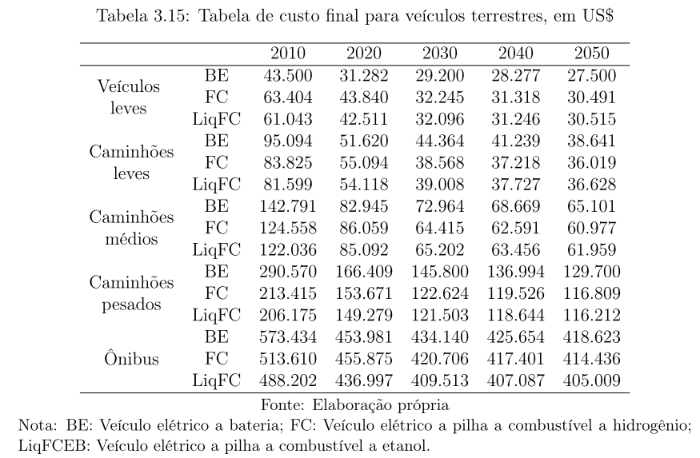
 |  |  |  |  |  |  |  |  |  |  |  |  |  | US$ 2010
 |  |  |  |  |  |  |  |  |  |  |  |  |  | 2010 | 2020 | 2030 | 2040 | 2050
 |  |  |  |  |  |  |  |  |  |  |  | LDV | BEV | 46500 | 31282 | 29200 | 28277 | 27500
 |  |  |  |  |  |  |  |  |  |  |  | Buses | BEV | 573434 | 453981 | 434140 | 425654 | 418623

Cost

from cpi.xls - $2010 to $2012
1.0529130132
US$ 2012 |  | 2010 | 2011 | 2012 | 2013 | 2014 | 2015 | 2016 | 2017 | 2018 | 2019 | 2020 | 2021 | 2022 | 2023 | 2024 | 2025 | 2026 | 2027 | 2028 | 2029 | 2030 | 2031 | 2032 | 2033 | 2034 | 2035 | 2036 | 2037 | 2038 | 2039 | 2040 | 2041 | 2042 | 2043 | 2044 | 2045 | 2046 | 2047 | 2048 | 2049 | 2050
LDV | BEV | 48960.455112 | 47358.132089 | 45755.809066 | 44153.486042 | 42551.163019 | 40948.839995 | 39346.516972 | 37744.193948 | 36141.870925 | 34539.547901 | 32937.224878 | 32718.008389 | 32498.791899 | 32279.57541 | 32060.358921 | 31841.142431 | 31621.925942 | 31402.709453 | 31183.492963 | 30964.276474 | 30745.059985 | 30647.876113 | 30550.692242 | 30453.508371 | 30356.3245 | 30259.140629 | 30161.956758 | 30064.772887 | 29967.589016 | 29870.405145 | 29773.221273 | 29691.409932 | 29609.598591 | 29527.78725 | 29445.975909 | 29364.164568 | 29282.353227 | 29200.541886 | 29118.730544 | 29036.919203 | 28955.107862
Buses | BEV | 603776.12079 | 591198.75898 | 578621.39716 | 566044.03535 | 553466.67353 | 540889.31171 | 528311.9499 | 515734.58808 | 503157.22626 | 490579.86445 | 478002.50263 | 475913.41792 | 473824.33321 | 471735.2485 | 469646.16379 | 467557.07909 | 465467.99438 | 463378.90967 | 461289.82496 | 459200.74025 | 457111.65554 | 456218.15356 | 455324.65157 | 454431.14959 | 453537.64761 | 452644.14562 | 451750.64364 | 450857.14166 | 449963.63967 | 449070.13769 | 448176.63571 | 447436.33257 | 446696.02943 | 445955.72629 | 445215.42315 | 444475.12001 | 443734.81687 | 442994.51373 | 442254.21059 | 441513.90745 | 440773.60431

Cost

Ships
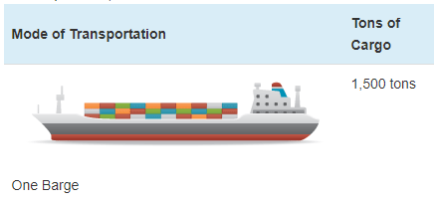
Ship prices vary greatly by ship type and size. Based on variable AVLo, our average |  |  |  | freight ship capacity
freight ship loading is 1363 tons. This may be reasonably represented by a single oceangoing, |  |  |  | Tennessee-Tombigbee Waterway
self-propelled barge that has a capacity of 1500 tons (see source info to the right). A drawing |  |  |  | undated
of a barge of this type is shown to the right (from thas same source). |  |  |  | Cargo Capacity of Different Transportation Modes
 |  |  |  | http://business.tenntom.org/why-use-the-waterway/shipping-comparisons/
Capacities of large barges of this sort are often expressed in TEU (twenty-foot equivalent units),
which are the size of a standard intermodal metal shipping container. They do not convert
neatly into cargo tons, but standard containers have a maximum payload
mass of 21600 kg, or 21.6 metric tons. Typical payload may be less. We use 16 tons as
the typical load for a freight HDV (see variable AVLo), which may use an intermodal container
or be similar in size to one.

The largest barge in the world is the Maersk Triple E class, with a capacity of 18,340 TEU |  |  |  | Source for TEU capacities
and a cost of $185 million. This is more than 200 times more capacity than the ship we |  |  |  | https://web.archive.org/web/20090420143514/http://emase.co.uk/data/cont.html
wish to represent with this variable, and it serves as an upper bound reference point.
 |  |  |  | Source for Maersk Triple E class pricing
A variety of used boats are listed for sale at https://www.oceanmarine.com |  |  |  | https://www.bloomberg.com/news/photo-essays/2013-09-05/holy-ship#slide1
with ever-changing inventory. These barges all tend to be smaller than the reference
ship we wish to represent (with 1500-ton capacity). The closest ships I have been |  |  |  | Source for Other Example cargo ship pricing
able to find are certain Platform Supply Vessels, which tend to have higher deck capacities |  |  |  | https://www.oceanmarine.com
and lower prices than the similar Anchor Handling Tug Supply (AHTS) vessels. AHTS
vessels have extra equipment and engine power that may increase their price relative
to the necessary capacity.

 | Description | Deck Capacity (metric tons) | Price | Year of Manufacture
 | 180ft 5200HP AHTS 9504 | 500 | 5900000 | 1984
 | 60 Ton BP AHTS - 9279 | 500 | 7050000 | 1984
 | 5200HP AHTS - 9278 | 500 | 7050000 | 1983
 | 220ft Platform Supply DP-1 - 13146 | 1030 | 6000000 | 1999
 | 240ft Platform Supply Vessel(PSV) DP-1 - 13932 | 1800 | 6000000 | 2009
 | 285ft Platform Supply Vessel (PSV) - 13810 | 2800 | 22000000 | 2014

Based on all of these data points, we select a value of $10 million to represent a brand new,
self-propelled, ocean-going barge or supply boat with 1,500-ton capacity.
10000000

We assume no change in pricing over time.

